Cam Follower
CAM FOLLOWER AND PUSH ROD
DELIVERY AND RECEIVING INSPECTION CHECKSHEET

JOB NUMBER |  |  | PART NAME |  |  | CAM FOLLOWER & PUSH ROD |  |  | DOCUMENT NO. |  |  | QR01-SA-007
ENGINE MODEL |  | 6D140E-5 | PART NUMBER |  |  |  |  |  | PUBL. DATE |  |  | 05/02/2009
ENGINE S/N |  |  | START DATE / TIME |  |  |  |  |  | REVISION NO. |  |  | 00
MACHINE MODEL |  |  | FINISH DATE / TIME |  |  |  |  |  | PAGE |  |  | 1 of 1

SKETCH DRAWING

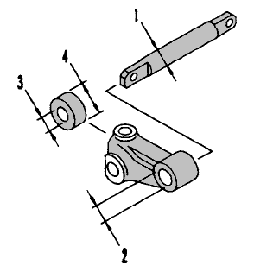
 |  |  |  | VISUAL CHECK |  |  |  |  | MECHANIC |  | QA
 |  |  |  |  |  |  |  |  | OK | Not OK | OK |  | Not OK
 |  |  |  | FREE CORROSION AND DIRT
 |  |  |  | CRACK HAS BEEN CHECKED
 |  |  |  | CAM ROLLER ROTATED SMOOTHLY
 |  |  |  | SHAFT ROTATED SMOOTHLY
 |  |  |  | BOLT HAS BEEN CHECKED
 |  |  |  | HOLE HAS BEEN CHECKED

 |  |  |  | MAN HOURS UTILIZATION
 |  |  |  | PROSES |  |  | START |  | FINISH |  | MAN HOURS
 |  |  |  | Cleaning
 |  |  |  | Inspection
 |  |  |  | TOTAL

 |  |  |  | Physical Data
 |  |  |  | No | Part Number |  |  | Part Name |  | Qty | New |  | Reuse
 |  |  |  | 1
 |  |  |  | 2
 |  |  |  | 3
 |  |  |  | 4
 |  |  |  | 5

RECEIVING INSPECTION COMMENT

 | DELIVERY BY SUB ASSY 1 |  |  |  |  |  | RECEIVING INSPECTION BY MECHANIC ASSY
 | DELIVERED DATE : |  |  |  |  |  | INSPECTION DATE :
 | MECHANIC NAME : |  |  |  |  |  | MECHANIC NAME :
 | SIGN |  |  |  |  |  | SIGN

 | Note : Cam Follower, Push Rod & after finishing can be directly measured by QA (Quality Assurance )

